Doctor Portal Mock
Login page



 |  |  |  | Pushing the Boundaries of Software to create life-saving preventative care

 |  |  |  |  | Email: | your registered email goes here

 |  |  |  |  | Password: | password goes here

 |  |  |  |  | Forgot your password?
 |  |  |  |  | Register for a new account

 |  |  |  |  |  |  | Submit

Forgot password |  |  |  |  |  |  |  |  |  |  |  |  |  |  | Password Reset Link Sent

 |  |  |  |  | A password reset link will be sent to your email if it is registered to an active account |  |  |  |  |  |  |  |  |  |  |  |  |  |  | Thanks!
 |  |  |  |  |  |  |  |  |  |  |  |  |  |  |  |  |  | A password reset link will be sent to your email if it is registered to an active account
 |  |  |  |  | Email: | Email associated with your account |  |  |  |  |  |  |  |  |  |  |  | Register for a new account

 |  |  |  |  | Back to login
 |  |  |  |  | Register for a new account

 |  |  |  |  |  |  | Forgot my password |  |  |  |  |  |  |  |  |  |  |  |  | Back to login

Register for new account |  |  |  |  |  |  |  |  |  |  |  |  |  |  | Contact information saved

 |  |  | Thank you for your interest in using MedAlert! If your business has an existing account, please contact your system administrator for portal access. |  |  |  |  |  |  |  |  |  |  |  |  |  |  |  |  | Thanks!
 |  |  |  |  |  |  |  |  |  |  |  |  |  |  |  |  |  |  | We will be in touch by email shortly!
 |  |  | To register for a new account please fill out the form below and one of our customer service representatives will be in touch with you as soon as possible!

 |  |  |  |  | Your Name: | First and last name
 |  |  |  |  |  |  |  |  |  |  |  |  |  |  |  |  |  |  |  | Back to login
 |  |  |  |  | Business Name: | Practice name

 |  |  |  |  | Email: | Email associated with your account

 |  |  |  |  | Phone: | +1(555) 555 - 5555

 |  |  |  |  | Business Size: | Ú

 |  |  |  |  |  |  | Submit

 |  |  |  | Back to login page

Entering a new patient

 |  |  |  |  |  |  |  |  |  |  |  |  |  |  |  | MVC | multivariable controller

Patient Search |  |  |  |  | New Patient Set Up |  |  |  |  | Account Settings

 | Patient Data

 |  |  |  |  | First Name: | First name

 |  |  |  |  | Last Name: | Last name

 |  |  |  |  | Date of Birth: | Date of Birth

 |  |  |  |  | Phone: | +1(555) 555 - 5555 |  |  |  | Verify Number

 | Alarms

 |  | Alarm 1: |  |  |  |  |  |  |  |  |  | Add new alarm

 |  |  |  |  | Days: | M | T | W | R | F | S | S
 |  |  |  |  |  | Time: |  | 10:00:00 | AM/PM |  |  |  |  | Do you want to be able to customize your alerts?
 |  |  |  |  | Always respect pt time zone |  |  |  |  | +
 |  |  |  | Max amount of snooze time (total): |  |  |  | max amount of time before medication is considered missed |  |  | Minutes | Ú

 |  |  |  | Alert me if this alarm is missed: |  |  |  | Yes/No |  |  |  | Ú

 |  |  |  |  | Frequency of alert: |  |  | first time the medication is missed |  |  |  | Ú

 |  |  |  |  |  |  | Emergency Contacts

 | Emergency Contact 1 |  | First name |  |  |  | Last name |  |  |  | Phone Number |  | Verify Number

 | Emergency Contact 2 |  | First name |  |  |  | Last name |  |  |  | Phone Number |  | Verify Number

 | Emergency Contact 3 |  | First name |  |  |  | Last name |  |  |  | Phone Number |  | Verify Number

 |  |  |  | Save Updates |  |  |  | Enroll Patient

Patient Search |  |  |  |  | New Patient Set Up |  |  |  |  | Account Settings

 | My Account Information

 |  |  |  |  | First Name: | First name

 |  |  |  |  | Last Name: | Last name

 |  |  |  |  | Email: | Account Email

 |  |  |  |  | Phone: | +1(555) 555 - 5555

 |  |  |  |  | My working hours: |  | 10:00:00 | AM/PM | to |  | 10:00:00 | AM/PM

 | Alarm Settings

 |  |  | Alert email during working hours: |  |  |  | Leave empty if same as above

 |  |  | Alert phone number during working hours: |  |  |  | Leave empty if same as above

 |  |  | Use the same alert phone number and email outside of working hours |  |  |  |  |  |  | yes/no |  | Ú

 |  |  | Alert email outside of working hours: |  |  |  | Leave empty if same as above

 |  |  | Alert phone number outside of working hours: |  |  |  | Leave empty if same as above

 |  |  |  | Save Updates |  |  |  | Enroll Patient

Cost Analysis
Use Case Point Based:
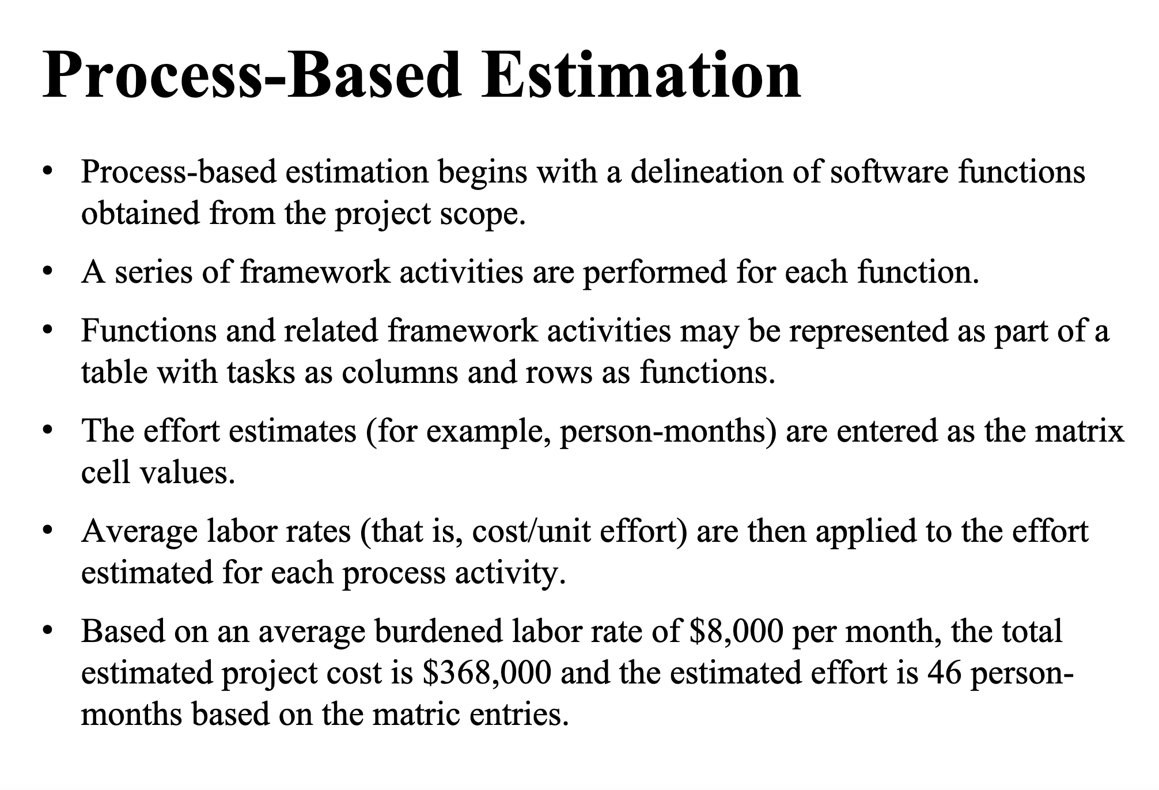
 | Estimated Cost: $
 | Estimated Effort: ~13 person-months

Use Cases | Use Case Weight | Actor Weight | 17 total use cases
Patient/User |  | 3
Emergency Contact |  | 3
Medical Provdier/Doctor |  | 3
Total
Use case points: UCP = (UUCW + UAW)* TCF * UCF

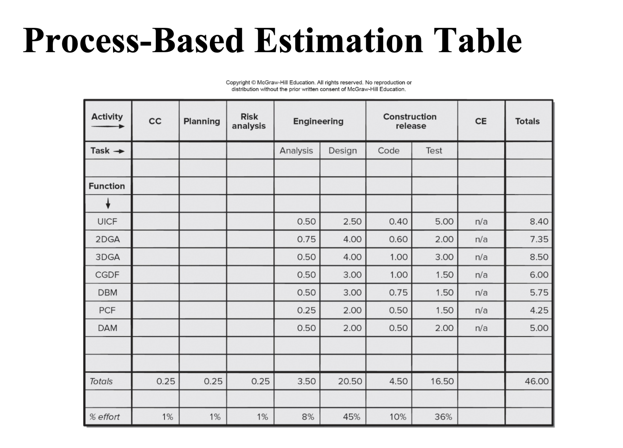

Use Case Category | Description | Count | Weight | Score
Simple | (1-3 transactions) | 3 | 5 | 15
Average | (4-7 transactions) | 8 | 10 | 80
Complex | (8+ transactions) | 6 | 15 | 90
Sum (UUCW) |  |  |  | 185
UUCW = Unadjusted Use Case Weight
Actor Category | Description | Count | Weight | Score
Simple | System through API | 2 | 1 | 2
Average | System through communication protocol | 2 | 2 | 4
Complex | Human Actor through GUI | 3 | 3 | 9
Sum (UAW) |  |  |  | 15
UAW = unadjusted actor weight

Technical Factor | Weight | Relevance 0-5 | Score
T1 Distributed System | 2 | 2 | 4
T2 Performance | 1 | 3 | 3
T3 End User Efficiency | 1 | 3 | 3
T4 Complex Internal Processing | 1 | 1 | 1
T5 Reusability | 1 | 1 | 1
T6 Easy to Install | 0.5 | 5 | 2.5
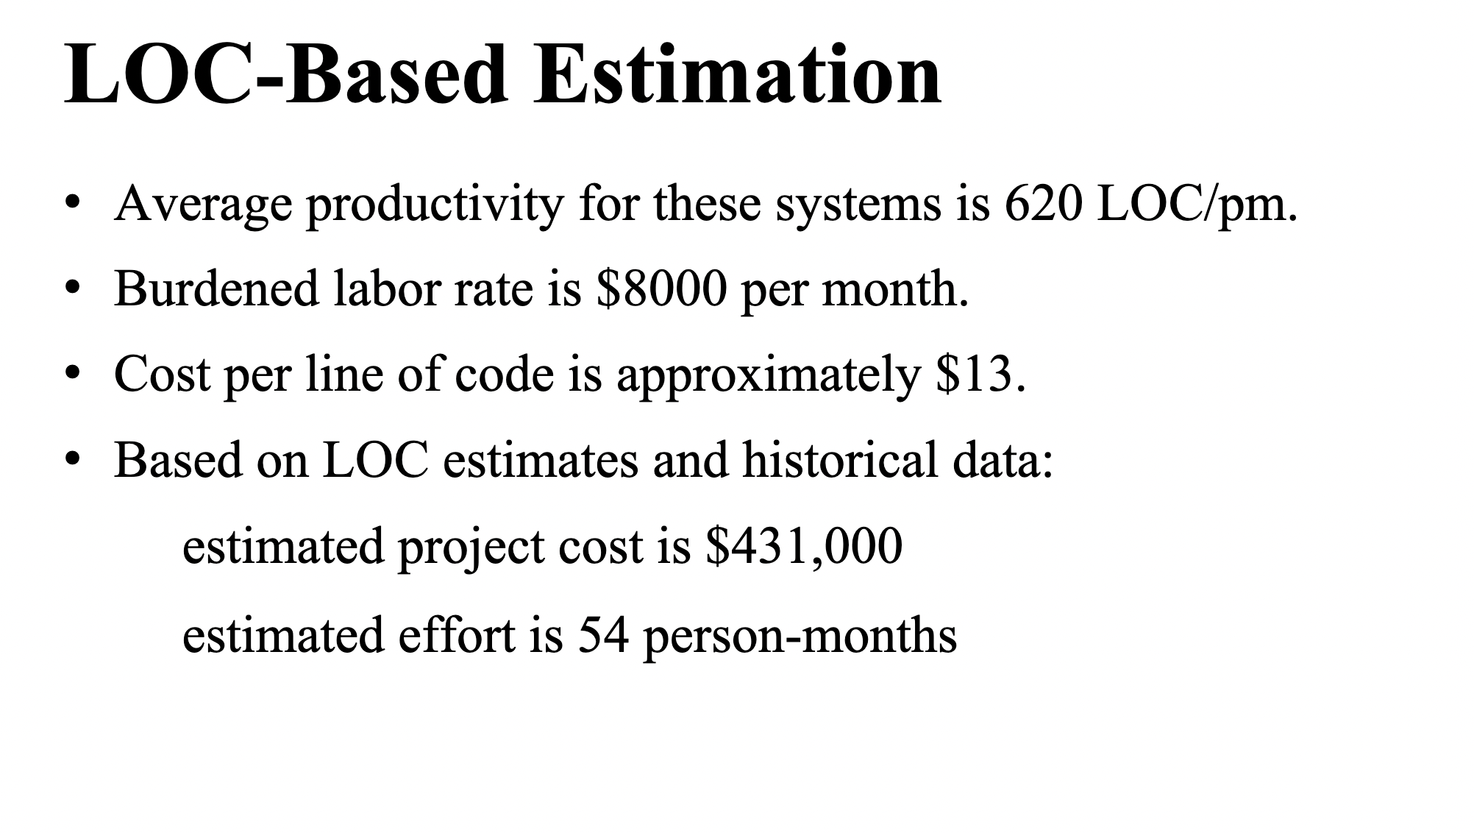
T7 Easy to Use | 0.5 | 5 | 2.5
T8 Portability | 2 | 4 | 8
T9 Easy to Change | 1 | 5 | 5
T10 Concurrency | 1 | 1 | 1
T11 Special Security Features | 1 | 2 | 2
T12 Provides Direct Access for Third Parties | 1 | 1 | 1
T13 Special User Training Facilities are required | 1 | 1 | 1
Sum | 14 |  | 35
Complexity Factor |  |  | 0.6
C2 |  |  | 0.01
TCF |  |  | 0.95
TCF = Technical Complexity Factor
C2 = Command and Control

Environmental Factor | Weight | Impact 0-5 | Score
E1 Familiarity w UML | 1.5 | 3 | 4.5
E2 Part time workers | -1 | 0 | 0
E3 Analyst Capability | 0.5 | 2 | 1
E4 Application Experience | 0.5 | 3 | 1.5
E5 Object-Orientated Experience | 1 | 3 | 3
E6 Motivation | 1 | 3 | 3
E7 Difficult Programming Language | -1 | 1 | -1
E8 Stable Requirements | 2 | 1 | 2
Sum (ETF) |  |  | 14
ECF = 1.4+(-0.03 * ETF) |  |  | 0.98
ETF = Environmental Total Factor

Acronyms to Know | Lines of code per UCP | Overall Size of Project (LOC) | Lines of code per person-month | Burdened Labor Rate | Average hrs per UCP | Cost per line of code | Estimated Effort in months (28hrs per UCP) | Estimated Cost
UUCW = Unadjusted Use Case Weight | 85 LOC/UCP | 15,827.00 | 500 LOC/pm | $8,000 per month | 28.00 | $8,000 per month / 500 LOC/pm = $16 | 7.14 | 253,232.00

UAC = Unadjusted Actor Weight | Use Case Point (UCP) Total | Lines of code per UCP | Overall Size of Project (LOC) | Lines of code per person-month | Burdened Labor Rate | Average hours per UCP | Cost per line of code | Estimated Effort in months | AWS Service Prices | Total Estimated Cost
CF = Complexity Factor | 210 | 85 LOC/UCP | 24,252.00 | 620 LOC/pm | $8,000 per month | 28.00 | $8,000 per month / 620 LOC/pm = $13 | 16 months | $3,100 | $315,000
TCF = Technical Complexity Factor
ETF = Environmental Total Factor
ECF = Environmental Complexity Factor
UCP = Use Case Point

UCP = (UUCW + UAW) * TCF * ECF |  | UCP Sum = | 186.20 | 248,710 worth of UCP
 |  | Estimated Effort (hrs) = UCP * Hours
 |  | Average hours per use case = 28 hrs |  |  | 20 hrs per UCP | 28 hrs per UCP
 |  | Estimated Effort = 248.71 * 28 |  |  | 3,724.00 | 5,213.60
 |  |  |  |  | 24.83 | 34.76
 |  | Will be finished within 300 days |  |  | 6months estimate^ | 8months estimate^

UML
 | Patient |  | Doctor |  |  | Notification | Alarms
- | firstName | string | + | patientName | string |  |  | patient | patient
- | lastName | string |  |  |  |  |  | maxSnooze | int
- | cellNumber | string |  |  |  |  |  | snoozeCount | int
- | dateOfBirth | string | + | patient | Patient |  |  | time
- | username | string |  |  |  |  |  | timezone
- | password | string |  |  |  |  |  | monday | bool
 |  |  |  |  |  |  |  | Tuesday | bool
+ | AddPatient() |  |  |  |  |  |  | Wednesday | bool
+ | EnrollPatient() |  |  |  |  |  |  | Thursday | bool
+ | EditPatient() |  |  |  |  |  |  | Friday | bool
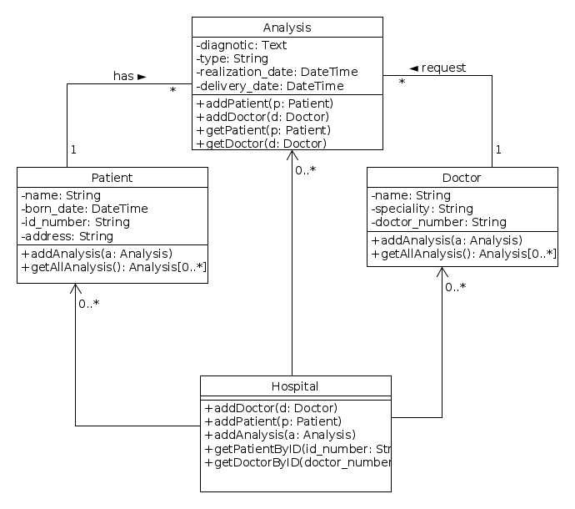
+ | RemovePatient() |  |  |  |  |  |  | Saturday | bool
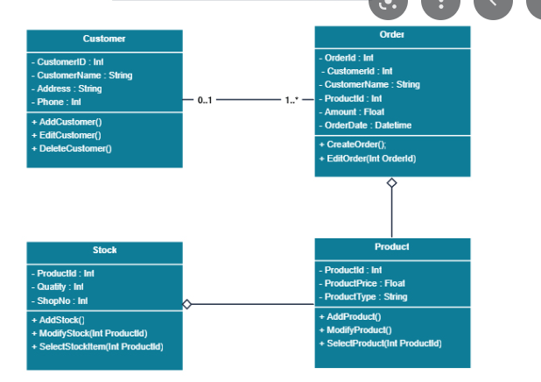
 |  |  |  |  |  |  |  | Sunday | bool
 |  |  |  |  |  |  |  | dNotification | notification
 |  |  |  |  |  |  |  | pNotification | notification
 |  |  |  |  |  |  |  | cNotification | notification

UML-2
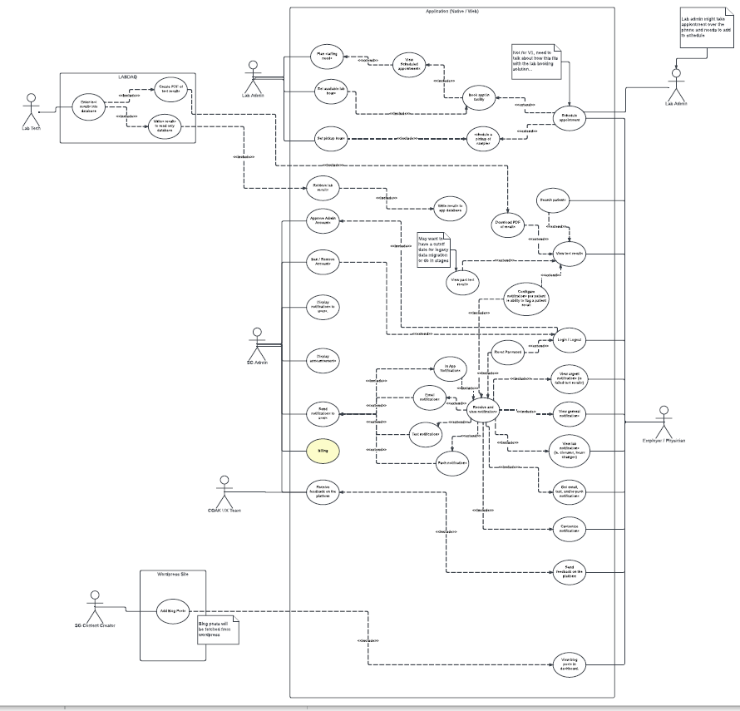
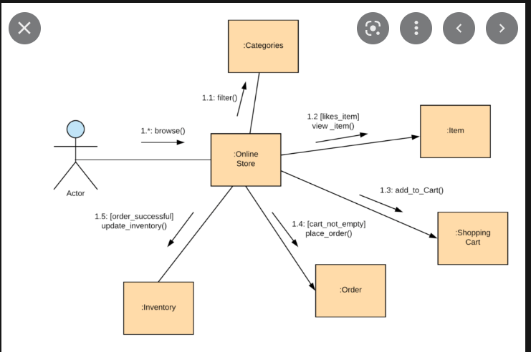
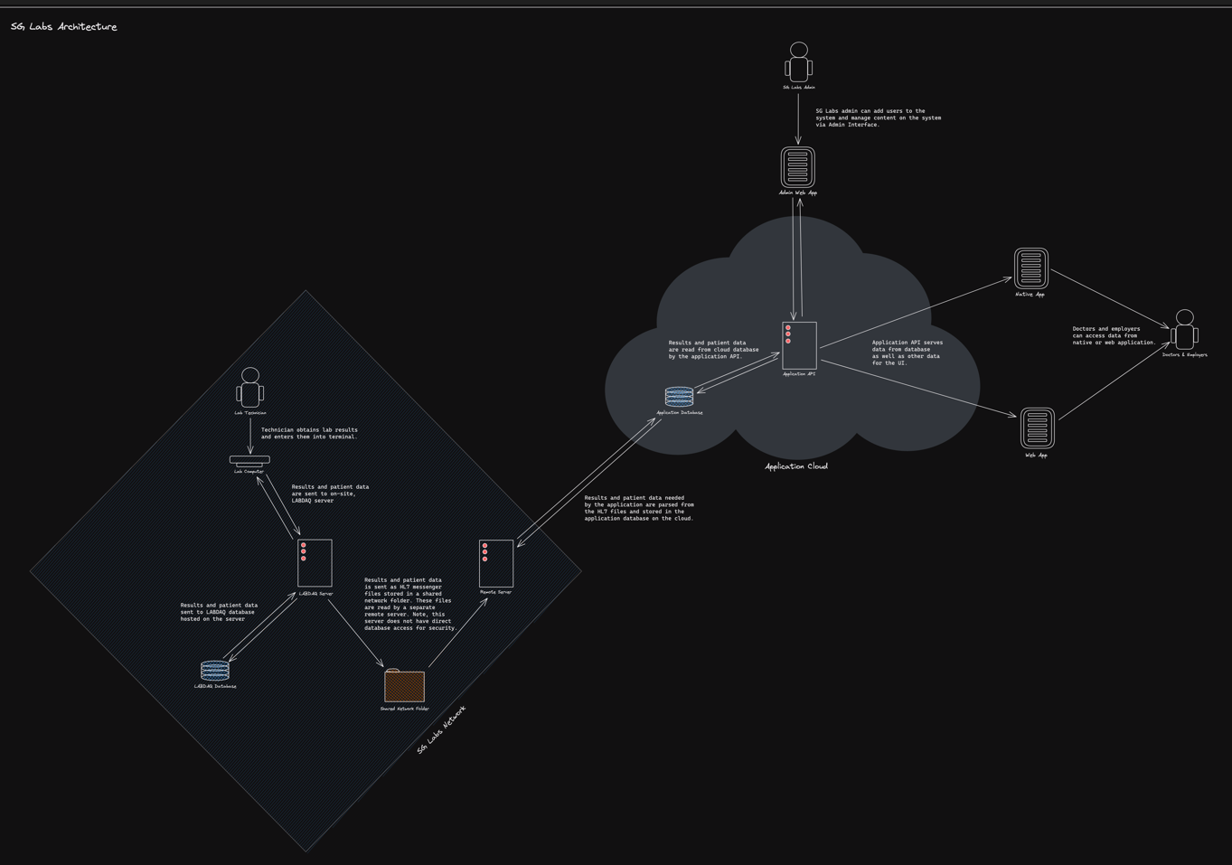

Patient

